01_Quality Sweater Co
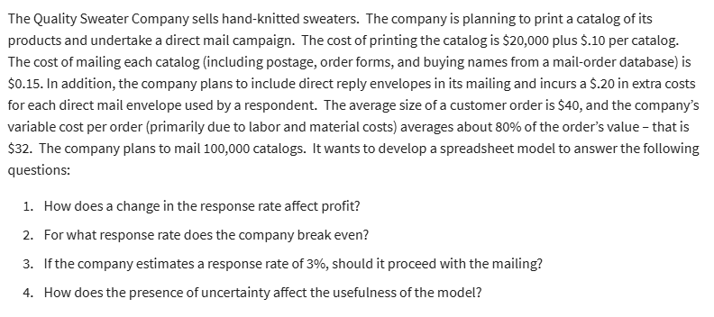
Quality Sweater Company
 |  |  |  | Data Table
Costs
Fixed |  |  |  | Response Rate | Profit
 | Printing | 20,000.00 |  |  | -6,000.00
Variable |  |  |  | 3.00% | -21,600.00
 | Printing | 0.10 | per catalog | 3.50% | -17,700.00
 | Mailing | 0.15 | per catalog | 4.00% | -13,800.00
 | Reply Envelopes | 0.20 | per order | 4.50% | -9,900.00
 | Labor and materials | 32.00 | per order | 5.00% | -6,000.00
Total Costs |  | 206,000.00 |  | 5.50% | -2,100.00
 |  |  |  | 6.00% | 1,800.00
Catalogs Ordered: |  | 100,000.00 |  | 6.50% | 5,700.00
Response Rate |  | 5% | Dummy rate | 7.00% | 9,600.00
Total Orders |  | 5,000.00 | =+C13*C14 | 7.50% | 13,500.00
 |  |  |  | 8.00% | 17,400.00
Revenue |  |  |  | 8.50% | 21,300.00
Average Customer Order |  | 40.00
Response Rate vs Profit
Total Revenue |  | 200,000.00 | =+C18*C15
Total Profit |  | -6,000.00

02_B&N Bookstore
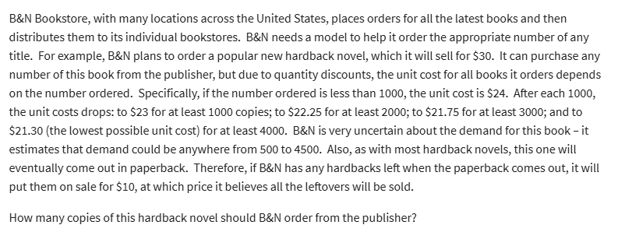
BN Bookstore
 |  |  |  | at least
Regular Price | 30.00 |  |  | Ordered | Unit Cost
Sale price | 10.00 |  |  | 0 | 24
 |  |  |  | 1000 | 23
 |  |  |  | 2000 | 22.25
Demand | 2,500.00 | 500 to 4500 |  | 3000 | 21.75
Order | 500.00 |  |  | 4000 | 21.3

Surplus | -

Unit Cost | 24.00

Revenue | 15,000.00
Cost | 12,000.00
Profit | 3,000.00

 |  | DEMAND
 | 3,000.00 | 500 | 1000 | 1500 | 2000 | 2500 | 3000 | 3500 | 4000 | 4500
ORDER | 500 | 3000 | 3000 | 3000 | 3000 | 3000 | 3000 | 3000 | 3000 | 3000 | 39150
 | 1000 | -3000 | 7000 | 7000 | 7000 | 7000 | 7000 | 7000 | 7000 | 7000
 | 1500 | -9500 | 500 | 10500 | 10500 | 10500 | 10500 | 10500 | 10500 | 10500
 | 2000 | -14500 | -4500 | 5500 | 15500 | 15500 | 15500 | 15500 | 15500 | 15500
 | 2500 | -20625 | -10625 | -625 | 9375 | 19375 | 19375 | 19375 | 19375 | 19375
 | 3000 | -25250 | -15250 | -5250 | 4750 | 14750 | 24750 | 24750 | 24750 | 24750
 | 3500 | -31125 | -21125 | -11125 | -1125 | 8875 | 18875 | 28875 | 28875 | 28875
 | 4000 | -35200 | -25200 | -15200 | -5200 | 4800 | 14800 | 24800 | 34800 | 34800
 | 4500 | -40850 | -30850 | -20850 | -10850 | -850 | 9150 | 19150 | 29150 | 39150

